Capacity Data
Model Param | ResidualCapacity

 | Year 2021 | https://www.irena.org/-/media/Files/IRENA/Agency/Statistics/Statistical_Profiles/Asia/Thailand_Asia_RE_SP.pdf |  |  | Year 2021 | Model Values in FF_UpdatedDemand |  | Year 2021 | Model Values in FF_UpdatedCapacity
 |  |  |  |  |  | GW |  |  | GW | %
 |  |  |  | Biomass | PWRBIO001 | 4.468 | Biomass + Waste | PWRBIO001 | 7.468 | 15.475795756
 |  |  |  | Coal | PWRCOA001 | 20.8042 | Coal | PWRCOA001 | 5.259 | 10.898126658
 |  |  |  | Hydropower | PWRHYD001 | 3.639 | Hydropower | PWRHYD001 | 3.639 | 7.5410311671
 |  |  |  |  | PWRHYD002 | 0.148 |  | PWRHYD002 | 0.148 | 0.30669761273
 |  |  |  | NGS Power Plant | PWRNGS001 | 27.132 | NGS Power Plant | PWRNGS001 | 27.132 | 56.225132626
 |  |  |  | Solar | PWRSOL001 | 3.065 | Solar | PWRSOL001 | 3.065 | 6.3515417772
 |  |  |  | Onshore wind | PWRWND001 | 1.545 | Onshore wind | PWRWND001 | 1.545 | 3.2016744032
 |  |  |  |  |  | 60.8012
 |  |  |  |  |  |  |  |  | 48.256

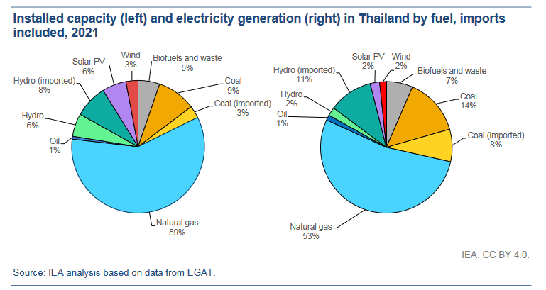

 | Year 2021 | https://www.global-climatescope.org/markets/th/
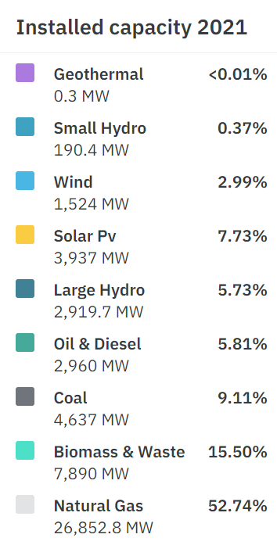
 |  | GW | %
 | Geo | 0.0003 | 0.00058926130203
 | Small Hydro | 0.1904 | 0.37398450636
 | Large Hydro | 2.9197 | 5.7348874118
 | Wind | 1.524 | 2.9934474143
 | Solar | 3.937 | 7.733072487
 | Oil | 2.96 | 5.8140448467
 | Coal | 4.637 | 9.1080155251
 | Biomass & Waste | 7.89 | 15.497572243
 | Natural Gas | 26.8528 | 52.744386304
 |  | 50.9112

Electricity Generation Data
YEAR 2021 Actual Thai Data
Electricity Generation |  | https://www.iea.org/countries/thailand/energy-mix#how-is-energy-used-in-thailand |  | Year 2021 | ProductionByTechnologyAnnual | Output of the FF_UpdatedCapacity scenario

 | GWh | % |  | Techno | PJ | GWh | %
Coal | 35176 | 19.914287494 |  | PWRBIO001 | 163.9166 | 45568.8148 | 25.803864835
Oil | 657 | 0.37194925186 |  | PWRCOA001 | 123.6759 | 34381.9002 | 19.469145938
Natural Gas | 110052 | 62.304047283 |  | PWRHYD001 | 28.3385 | 7878.103 | 4.4610663206
Hydro | 4682 | 2.6506337857 |  | PWRHYD002 | 1.1526 | 320.4228 | 0.18144309124
Biofuels | 17503 | 9.9090224585 |  | PWRNGS001 | 299.7298 | 83324.8844 | 47.183672955
Solar PV | 5015 | 2.8391560092 |  | PWRSOL001 | 18.4271 | 5122.7338 | 2.9008068598
Wind | 3552 | 2.0109037178 |  | PWRWND001 | 7.7555 | 2156.029 | 1.2208761878
 |  |  |  |  |  | 178752.888 | 101.22087619

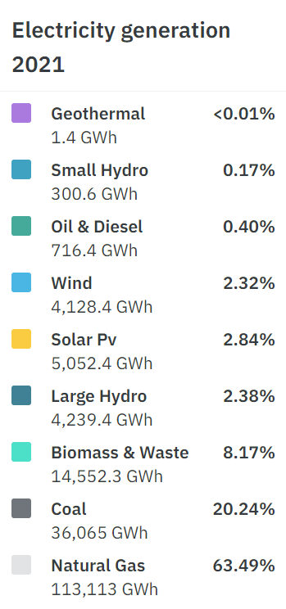
Year 2021 | https://www.global-climatescope.org/markets/th/
 | GWh | % | PJ
Geo | 1.4 | 0.00078577301824 | 0.005035971223
Small Hydro | 300.6 | 0.16871669234 | 1.081294964
Large Hydro | 4239.4 | 2.3794329525 | 15.249640288
Wind | 4128.4 | 2.3171323775 | 14.850359712
Solar | 5052 | 2.835518063 | 18.172661871
Oil | 716.4 | 0.40209127876 | 2.5769784173
Coal | 36065 | 20.242074216 | 129.73021583
Biomass & Waste | 14552.3 | 8.1677176381 | 52.346402878
Natural Gas | 113113 | 63.486531009 | 406.88129496
 | 178168.5

